Statement of originality
Statement of originality
This report contains original unpublished work except where clearly indicated otherwise. Acknowledgement of previously published material and of the work of others has been made through appropriate citation, quotation or both.

CERtuS in brief
CERtuS Grant Agreement Number IEE/13/906/SI2.675068
The CERTUS PROJECT in brief
South European countries are undergoing a severe economic crisis. This hinders the compliance to the latest Energy Efficiency Directive, thus demanding strict energy efficiency measures for the public sector. Investments required to renovate public buildings and achieve nearly zero energy consumption have long payback times. Many of the municipal buildings in Southern Europe require deep renovations to become nZEB and this should not be regarded as a threat but rather as an opportunity for the energy service and the financing sector.
The objective of the proposed action is to help stakeholders in gaining confidence in such investments and initiate the growth of the energy service sector considered.
Municipalities, energy service companies and financing entities in Italy, Greece, Spain and Portugal are involved in this project. The plan is to produce representative deep renovation projects that will act as models for replication. Twelve buildings in four municipalities in each country have been selected. The partners will adapt existing energy service models and procedures and will work out financing schemes suitable for the 12 projects. Consequently, the partners will create materials, such as guides and maxi brochures, suitable to support an intensive communication plan.
The plan includes four workshops with B2B sessions targeted to municipalities, ESCOs and financing entities. These actions shall be complemented by four training activities targeting municipal employees and the participation in international events targeting all three stakeholders. We expect that our action will have a significant impact by triggering investments in renovations to achieve nZEB and to improve the uptake of the ESCO market in Southern European member states.
For the needs of CERTus Project Work Package 2 (entitled: Technical and Economic Validation of the nZEB Renovation Schemes) of the CERtuS Project has been developed CERtuS SE²T, a simplified calculation tool that provides a first approach to evaluate buildings’ deep energy retrofitting project planning.
For the needs CERtuS Project and in particular for Work Package 2, Task 2.5 has been used by Partners a detailed a approach, methodology and internal instruments for the economic evaluation of the twelve CERtuS projects and not the specific tool.

About
CERtuS Grant Agreement Number IEE/13/906/SI2.675068

The simplified economic evaluation tool
As long as municipalities or any other building owner has an estimation of building’s cost and expenses needed for an energy retrofitting, then the next step is to make estimations of the expected payback period and the desired or/and the optimum financial structure.
Under the term financial structure are included mainly the appropriate financial tools and type of investors that could be used to finance the building renovation project.
The information of the optimum or even an appropiate financiial structure is a crucial information for the building owner in order to know the kind of investors he/she has to be addressed or the types money sources have to be used for financing the energy retrofitting project. Also, SE²T could be used in the early stages of building renovation projects, in order to evaluate if the project is financial sustainable.
The Simplified Economic Evaluation Tool (CERtuS SE²T) has been developed under the CERtuS Project and with the aspiration to become a friendly tool for municipalities or other building owners that wish to implement a deep energy retrofitting of their buildings, in order to become nZEB.
CERtuS SE²T is a great tool for the preliminary stages of the project planning as it can adjust the size of the expectation of the building owners. Also, CERtuS SE²T ' results may be used as a starting point between the building owner and the investors, as it is assumed that it gives useful and reliable information on the expected simple paypack period of the project, the economic savigns and the cash flow .
Even CERtuS SE²T is a simplified tool, it requires significant information as input. Concretely, the most important information is: the intervention costs, the maintenance expenses, the expected financial performance of the investors and loans interest rates. The last two information include the valuation of political, social, environmental, legislative technical and economic risks in accordance to national market facts. For this reason It is important to mentioned that CERtuS SE²T, as a simplified tool qnd it has many limitations, as for example: it doesn’t take into account the exact time that the VAT is debited or /and credited, or the actual costs and expenses of a specific ESCO. Therefore CERtuS SE²T doesn’t give appropriate information on projects’ cash flow and the needs for short term financing, such as the working capital.
In conclusion, CERtuS SE²T is expected to fill successfully the gap of information that many building owners may have, concerning the first information about the project sustainability and it potencial interest for the market.

ACTION
 | Energy Savings in municipal building

 | # Enter values or text in blue cells #

 | TECHNICAL INFORMATION
 | Name of municipal building |  |  |  |  |  | XXXXXX
 | Renovation measure Code |  |  |  |  |  | XXXXXX
 | Renovation measure description
 | Time schedule (start | end) |  |  |  |  |  | 2019-06-15 | 2021-01-14
 | Average lifespan of the renovation measure in years |  |  |  |  |  | years | 15

 | INFORMATION BEFORE RENOVATION
 | Actual annual electricity consumption BEFORE renovation |  |  |  |  |  | kWh/y | 564,000
 | Type of fossil fuel 1 |  |  |  |  |  | Diesel
 | Actual annual consumption for fossil fuel 1 [unit & number], (i.e. lt, 5000) |  |  |  |  |  | lt | 0
 | Cost of fossil fuel type 1 (€ per unit) |  |  |  |  |  | (€ per unit) | 1.30 €
 | Type of fossil fuel 2 |  |  |  |  |  | Natural Gas
 | Actual annual consumption for fossil fuel 2 [unit & number] |  |  |  |  |  | m3 | 0
 | Cost of fossil fuel type 2 (€ per unit) |  |  |  |  |  | (€ per unit) | 0.15
 | Maintenance cost BEFORE renovation |  |  |  |  |  | € per year | 479
 | Extraordinary maintenance (as entered in the "CERTUS_Renovation options matrix") |  |  |  |  |  |  | 1
 | Frequency (indicate how often throughtout the lifespan of the project) |  |  |  |  |  |  | 4

 | INFORMATION AFTER RENOVATION
 | Actual annual electricity consumption AFTER renovation |  |  |  |  |  | kWh/y | 90,240
 | Maintenance cost AFTER renovation |  |  |  |  |  | € per year | 804
 | Maintenance annual SAVINGS (positive values) or LOSSES (negative values) in accordance with the existing situation (€) |  |  |  |  |  | € per year | -325
 | Actual annual consumption for fossil fuel 1 - AFTER renovation |  |  |  |  |  | lt | 0
 | Actual annual consumption for fossil fuel 2 - AFTER renovation |  |  |  |  |  | m3 | 0

 | RENOVATION COST
 | Unit of measure |  |  |  |  |  |  | ?
 | Unit cost in € |  |  |  |  |  |  | ?
 | Equipment cost in € |  |  |  |  |  |  | 338,274
 | VAT and other taxes for equipment in €
 | Other costs in € (labor, -banking fees, etc) |  |  |  |  |  |  | 5,300
 | VAT and other taxes related to other costs in € |  |  |  |  |  |  | 58,382
 | Investment cost including VAT and other taxes (€) |  |  |  |  |  |  | 401,956

 | COST INFORMATION
 | Average expected inflation rate |  |  |  |  |  |  | 2.0%
 | Electricity cost (€ per kWh) |  |  |  |  |  |  | 0.113 €
 | Average energy savings after renovation |  |  |  |  |  |  | -84%
 | Annual decrease of energy savings due to the aging of the equipment, for electricity |  |  |  |  |  |  | 1%
 | Annual decrease of energy savings due to the aging of the equipment, for fossil fuel 1 |  |  |  |  |  |  | 1%
 | Annual decrease of energy savings due to the aging of the equipment, for fossil fuel 2 |  |  |  |  |  |  | 1%
 | Annual increase in electricity tariffs |  |  |  |  |  |  | 1.00%
 | Annual increase in fossil fuel type 1 prices |  |  |  |  |  |  | 1.00%
 | Annual increase in fossil fuel type 2 prices |  |  |  |  |  |  | 1.00%

 | FINANCIAL INFORMATION
 | WACC = Discount rate ? |  |  |  |  |  |  | 5.30%
 | Financing schemes |  | OTHERS FINANCIAL INSTRUMENTS | CAPITAL SUBSIDY | BANK LOAN | ESCO | MUNICIPALITY | TOTAL
 | Contribution |  | 0% | 0% | 70% | 20% | 10% | 100%
 | Amount (€) |  | 0 | 0 | 281,369 | 80,391 | 40,196 | 401,956

 | BANK LOAN characteristics | Annual Rate (%) |  |  | 7.00%
 |  | Loan period (years) |  |  | 15
 |  | Grace period (years) |  |  | 0
 |  | Grace period interest (€) |  |  | 7.0%
 | EQUITY | Opportunity cost / Long term disposal rate |  |  | 4.00%
 | CAPITAL SUBSIDY |  |  |  | 4.00%

 | Energy saving sharing percentages | Energy saving sharing (to ESCO) |  |  |  | 75.0% | Numbers should only be entered in these cells when an ESCO is involved in the financing scheme
 |  | Energy saving by Municipality |  |  |  | 25.0%
 |  | Contract period (years) |  |  |  | 10
 |  | Desired minimum IRR for the ESCO |  |  |  | 8.0%

 | Indicators

 | Sustainability and bankability |  |  |  | Timing and connection with other interventions
 | Project IRR |  | 10.01% |  | N° of years of construction |  |  | 2.0
 | Project NPV |  | € 135,797 |  | N° of connection with other interventions
 | Municipality IRR |  | -7.97% |  | …
 | Municipality NPV |  | -€ 12,300
 | WACC |  | 5.30%
 | Pay back period - Project |  | 7 |  | Technical and performance features
 | Pay back period - Municipality |  | 15 |  | Plant power
 |  |  |  |  | Cost/MW installed
 | Social and environmental impact |  |  |  | Cost/MWh savings
 | Employment creation |  |  |  | % Annual energy savings
 | CO2 savings/year |  |  |  | kWh Annual energy savings
 | Reduced dependence on fossil fuel |  |  |  | Residual energy savings at the end of the project
 | … |  |  |  | Useful life
 |  |  |  |  | …

GRAPHS
Cumulative Project Cashflow from Energy Savings before financial cost
 | Cumulative Project Cashflow
0 | -401,956
1 | -348,952
2 | -295,969
3 | -243,009
4 | -190,072
5 | -137,156
6 | -84,264
7 | -31,395
8 | 21,449
9 | 74,270
10 | 127,066
11 | 179,837
12 | 232,582
13 | 285,302
14 | 337,997
15 | 390,664
16 | 0
17 | 0
18 | 0
19 | 0
20 | 0
21 | 0
22 | 0
23 | 0
24 | 0
25 | 0
26 | 0
27 | 0
28 | 0
29 | 0
30 | 0
31 | 0
32 | 0
33 | 0
34 | 0
35 | 0

Cumulative Municipality Cashflow
 | Cumulative cashflow
0 | -40,196
1 | -57,632
2 | -75,070
3 | -92,510
4 | -109,952
5 | -127,394
6 | -144,837
7 | -162,282
8 | -179,729
9 | -197,176
10 | -214,625
11 | -192,747
12 | -170,895
13 | -149,067
14 | -127,266
15 | -105,491
16 | 0
17 | 0
18 | 0
19 | 0
20 | 0
21 | 0
22 | 0
23 | 0
24 | 0
25 | 0
26 | 0
27 | 0
28 | 0
29 | 0
30 | 0
31 | 0
32 | 0
33 | 0
34 | 0
35 | 0

Net Present Value for the Municipality
 | NPV
0 | -40,196
1 | -56,755
2 | -72,482
3 | -87,418
4 | -101,605
5 | -115,077
6 | -127,873
7 | -140,025
8 | -151,568
9 | -162,530
10 | -172,940
11 | -160,544
12 | -148,785
13 | -137,631
14 | -127,051
15 | -117,016
16 | 0
17 | 0
18 | 0
19 | 0
20 | 0
21 | 0
22 | 0
23 | 0
24 | 0
25 | 0
26 | 0
27 | 0
28 | 0
29 | 0
30 | 0
31 | 0
32 | 0
33 | 0
34 | 0
35 | 0

Help
The simplified economic evaluation tool: Help
How to begin:
Open excel file ……………………………………
Save as new file as: Municipality _Building name
Choose tab and rename as: Renovation action i.e. heat pump, lighting etc
Purpose and outcome of the evaluation modelling
The calculation sheet takes into consideration the cost figures associated with each renovation action to be proposed for each of the Municipal buildings in order to calculate the NPV of each renovation action. You are asked to enter the figures for the following categories: energy saving, renovation cost, government subsidy (if known for the specific renovation).
The above information will be further processed in order to be clustered into relevant categories and form the final due business plan for each Municipal Building or Municipality altogether.
Data entry: # Enter values in the green cells for text and blue cells for numbers #
How to enter data:
Technical information
K7:K30 Enter the relevant figures for the pre renovation energy consumption (electricity, oil or other fossil fuel), the renovation measures and the average expected inflation rate. Please pay attention to the quantity entered (i.e. liters vs metric tons)
K11 The lifespan of the project is 1-35 years. It’s the period before it requires replacement
K17:K20 Enter the cost figures for each energy source (if there is high fluctuation please enter yearly average)
K32:K39 Enter the investment cost.
K44 Energy saving percentage for indication purpose.
Cost information
K45:K50 Data to be entered if there is a well-documented reason, such as scheduled increase in the prices, government announcement etc. If you have any such information regarding your Municipality, country, energy supplier, etc., please provide as a comment in the excel file or attachment. Otherwise please leave values as is.
Financial information
F55 Such instrument is not yet defined but is taken into consideration if specific opportunity/need arises
G55 Enter the following information only if known. Such include government subsidy related to the specific renovation action (i.e. 20% subsidy for installing double glazing or heat pump, green roof). If not please set as 0%
G59 The longest period for a loan is according to current financial conditions 20 years
H59 Enter the information if there is a subsidized loan (government supported, EU program etc. along with the corresponding interest rate. If not please set to 0%
J55 If F34, G34, H34, I34 are set to 0%, the commitment of the municipality will be 100%. If there is no capital subsidy or subsidized loan or ESCO, the Municipality is 100% responsible for securing the financing.
Energy sharing percentage
I65 Range of value is 0%-100%. At 100% all the energy saving is assigned to the ESCO and the project will be paid back at the minimum period. At 10% the Municipality will receive a 10% reduction in the current energy bills
I67 Range of value 0-20 years. According to the calculation formula there is allowance for 20 years max, for the project to be paid back.
ESCO financing projects
I68 A key indicator for a project to be financed by ESCO or private funds is to secure a positive return on investment. The minimum IRR is to be set by the partner according to each market (i.e.in Greece an ESCO company requires IRR>15%) If the target is met the cell I51 turns green. That means that the project will be generally interesting for an ESCO and you can go on.
MUNICIPALITY CASHFLOW
If the ESCO company covers all financing needs for the renovation action, then cell J55 (Municipality contribution) remains 0%. Under this scenario the Municipality receives a renovation scheme without any financial contribution , sharing the energy savings. Under this scenario the NPV for the Municipality will always be positive >= €0
PROJECT CASHFLOW INDICATORS
The key indicator figures describe the viability of the renovation action.
PROJECT & ESCOs
Generally, the project for ESCOs is sensitive to various technical and financial parameters. The following table contains the most crucial financial parameters.
POSITIVE EFFECT for ESCO
Capital subsidy
Low interest rate bank loan
High energy costs
NEGATIVE EFFECT for ESCO
Low saving sharing from Municipality
High WACC – opportunity cost

Acknowledgements
Acknowledgements
The research leading to these results has received funding from the Intelligent Energy Europe Programme of the European Union under grant agreement IEE/13/906/SI2.675068.

CERtuS partners
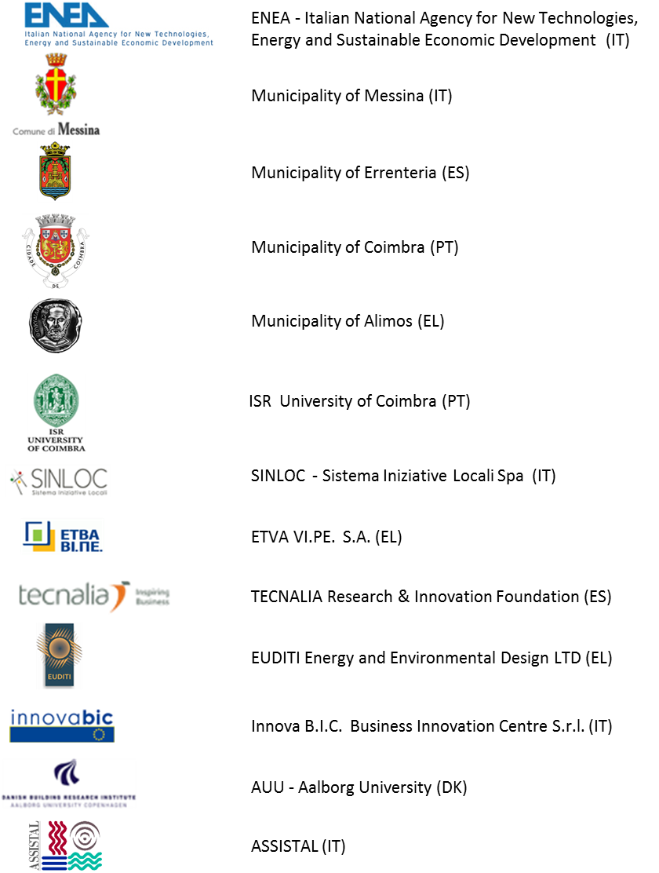

Disclaimer
The sole responsibility for the content of this publication lies with the authors. It does not necessarily reflect the opinion of the European Union. Neither the EASME nor the European Commission are responsible for any use that may be made of the information contained therein.
The tool may contain assumptions, bugs and miscalculations and therefore it has to be assumed that provides indicative results.
The authors are not responsible for any issues arise from the use of the tool and the results do not reflect any investment proposal.

